User_Info
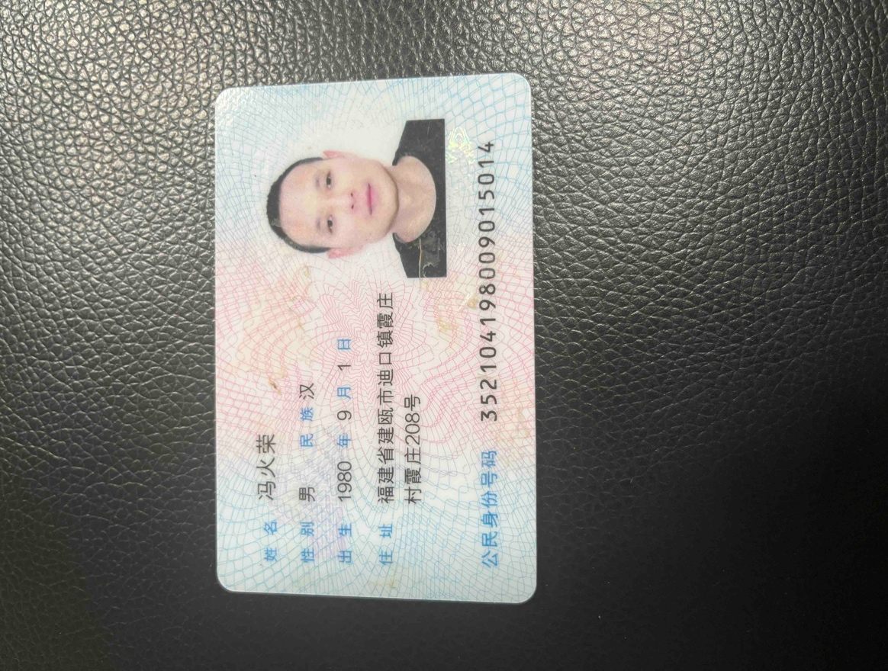
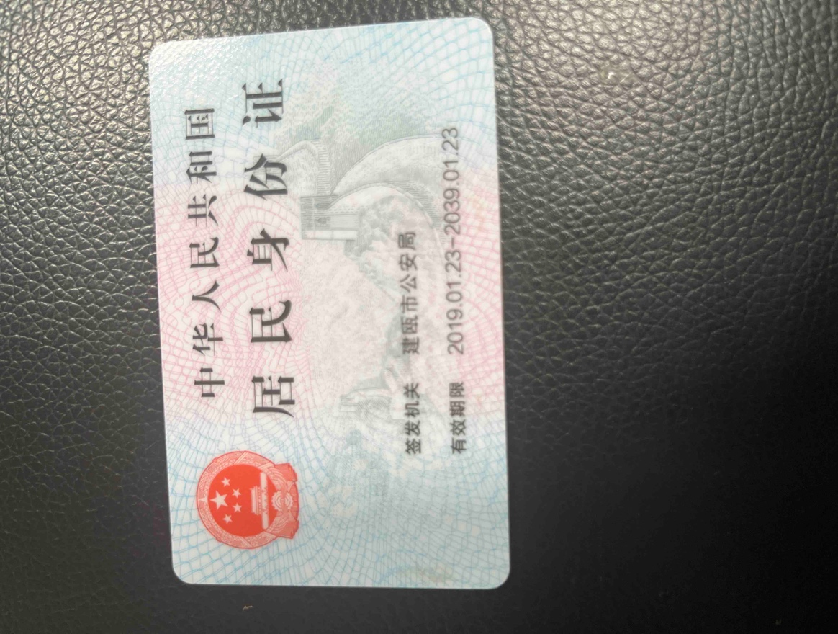

account creation time | user name | country/region | id number | mobile number | email | uuid | nationality en
2023-03-31 01:39:08 | 冯火荣 | 中国 | '352104198009015014 | 2054945862 | yezi85460@gmail.com | 427550524062233935 | 中国

